Sheet1
Average of price | Column Labels
Row Labels | 1 | 2 | 3 | 4 | Grand Total
3 | 8898750 | 9159818.1818 | 10850000 |  | 9200187.5
4 | 10126666.667 | 10015000 | 9915500 | 12250000 | 10197384.615
5 |  | 8400000 | 10150000 |  | 9275000
Grand Total | 9425000 | 9434894.7368 | 10207750 | 12250000 | 9623193.5484

Average Price by Bedrooms and Bathrooms
 | 1 | 2 | 3 | 4
3 | 8898750 | 9159818.1818 | 10850000
4 | 10126666.667 | 10015000 | 9915500 | 12250000
5 |  | 8400000 | 10150000

Sheet2
Sum of price | Column Labels
Row Labels | no | yes | Grand Total
furnished | 9240000 | 121100000 | 130340000
semi-furnished | 57421000 | 56028000 | 113449000
unfurnished | 18550000 | 35980000 | 54530000
Grand Total | 85211000 | 213108000 | 298319000

Sum of Price by Furnishing Status and Air Conditioning

Sheet3
Count of price | Column Labels
Row Labels | 0 | 1 | 2 | 3 | Grand Total
yes | 3 | 8 | 18 | 2 | 31
Grand Total | 3 | 8 | 18 | 2 | 31

Houses by Number of Stories and Basement

Sheet4
Average of price | Column Labels
Row Labels | no | yes | Grand Total
3500 | 9240000 |  | 9240000
4320 | 8750000 |  | 8750000
4560 | 8645000 |  | 8645000
4600 | 8890000 |  | 8890000
5500 |  | 8400000 | 8400000
5750 |  | 9800000 | 9800000
6000 | 9390500 | 8463000 | 9081333.3333
6420 |  | 8855000 | 8855000
6540 |  | 8540000 | 8540000
6550 |  | 9310000 | 9310000
6600 |  | 9100000 | 9100000
7155 | 8680000 |  | 8680000
7420 | 11410000 | 13300000 | 12355000
7475 | 8400000 |  | 8400000
7500 |  | 11532500 | 11532500
7800 |  | 9240000 | 9240000
7950 | 8400000 |  | 8400000
8050 | 8645000 |  | 8645000
8100 |  | 9870000 | 9870000
8500 | 8960000 |  | 8960000
8580 |  | 10150000 | 10150000
8800 | 8575000 |  | 8575000
8875 | 8400000 |  | 8400000
8960 | 12250000 |  | 12250000
9960 |  | 12250000 | 12250000
13200 |  | 9800000 | 9800000
16200 | 10150000 |  | 10150000
Grand Total | 9261000 | 10009533.333 | 9623193.5484

average Price by Area and Prefarea
 | no | yes
3500 | 9240000
4320 | 8750000
4560 | 8645000
4600 | 8890000
5500 |  | 8400000
5750 |  | 9800000
6000 | 9390500 | 8463000
6420 |  | 8855000
6540 |  | 8540000
6550 |  | 9310000
6600 |  | 9100000
7155 | 8680000
7420 | 11410000 | 13300000
7475 | 8400000
7500 |  | 11532500
7800 |  | 9240000
7950 | 8400000
8050 | 8645000
8100 |  | 9870000
8500 | 8960000
8580 |  | 10150000
8800 | 8575000
8875 | 8400000
8960 | 12250000
9960 |  | 12250000
13200 |  | 9800000
16200 | 10150000

Sheet5
Average of price | Column Labels
Row Labels | no | yes | Grand Total
no | 9828000 | 9686727.2727 | 9712888.8889
yes | 9017750 |  | 9017750
Grand Total | 9467888.8889 | 9686727.2727 | 9623193.5484

Price by Hot Water Heating and Air Conditioning
 | no | yes
no | 9828000 | 9686727.2727
yes | 9017750

Sheet6
Sum of price | Column Labels
Row Labels | 3 | 4 | 5 | Grand Total
furnished | 53515000 | 76825000 |  | 130340000
semi-furnished | 66808000 | 46641000 |  | 113449000
unfurnished | 26880000 | 9100000 | 18550000 | 54530000
Grand Total | 147203000 | 132566000 | 18550000 | 298319000

Price by Furnishing Status and Bedrooms
 | 3 | 4 | 5
furnished | 53515000 | 76825000
semi-furnished | 66808000 | 46641000
unfurnished | 26880000 | 9100000 | 18550000

Sheet7
Count of price | Column Labels
Row Labels | 1 | 2 | 3 | 4 | Grand Total
3 | 4 | 11 | 1 |  | 16
4 | 3 | 7 | 2 | 1 | 13
5 |  | 1 | 1 |  | 2
Grand Total | 7 | 19 | 4 | 1 | 31

Houses by Bedrooms and Bathrooms
 | 1 | 2 | 3 | 4
3 | 4 | 11 | 1
4 | 3 | 7 | 2 | 1
5 |  | 1 | 1

Sheet8
Average of price | Column Labels
Row Labels | furnished | semi-furnished | unfurnished | Grand Total
yes | 10026153.846 | 9454083.3333 | 9088333.3333 | 9623193.5484
Grand Total | 10026153.846 | 9454083.3333 | 9088333.3333 | 9623193.5484
Price by Main Road Availability and Furnishing Status

Sheet9
 | Column Labels
 | 0 | 1 | 2 | 3 | Grand Total
Sum of price | 27853000 | 71155000 | 174846000 | 24465000 | 298319000

Price by Number of Stories and Parking

dashboard
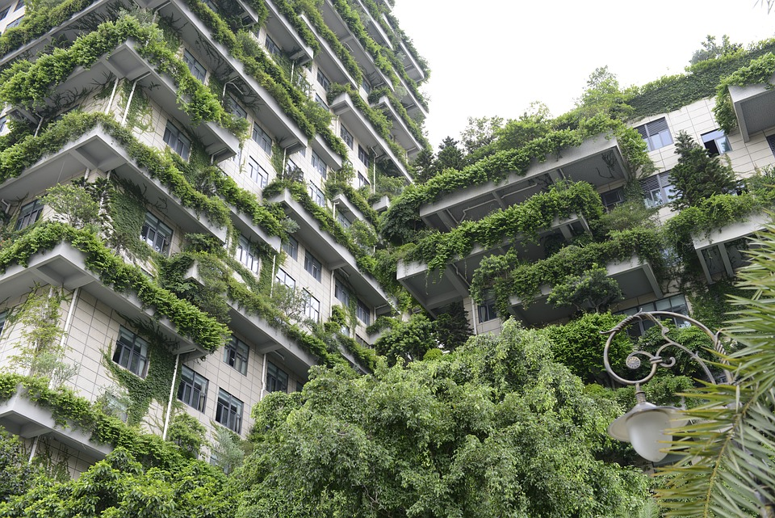
Housing Dashboards

Average Price by Bedrooms and Bathrooms
 | 1 | 2 | 3 | 4
3 | 8898750 | 9159818.1818 | 10850000
4 | 10126666.667 | 10015000 | 9915500 | 12250000
5 |  | 8400000 | 10150000
Sum of Price by Furnishing Status and Air Conditioning
 | no | yes
furnished | 9240000 | 121100000
semi-furnished | 57421000 | 56028000
unfurnished | 18550000 | 35980000
Houses by Number of Stories and Basement
 | 0 | 1 | 2 | 3
yes | 3 | 8 | 18 | 2

average Price by Area and Prefarea
 | no | yes
3500 | 9240000
4320 | 8750000
4560 | 8645000
4600 | 8890000
5500 |  | 8400000
5750 |  | 9800000
6000 | 9390500 | 8463000
6420 |  | 8855000
6540 |  | 8540000
6550 |  | 9310000
6600 |  | 9100000
7155 | 8680000
7420 | 11410000 | 13300000
7475 | 8400000
7500 |  | 11532500
7800 |  | 9240000
7950 | 8400000
8050 | 8645000
8100 |  | 9870000
8500 | 8960000
8580 |  | 10150000
8800 | 8575000
8875 | 8400000
8960 | 12250000
9960 |  | 12250000
13200 |  | 9800000
16200 | 10150000
Price by Hot Water Heating and Air Conditioning
 | no | yes
no | 9828000 | 9686727.2727
yes | 9017750
Price by Furnishing Status and Bedrooms
 | 3 | 4 | 5
furnished | 53515000 | 76825000
semi-furnished | 66808000 | 46641000
unfurnished | 26880000 | 9100000 | 18550000

Houses by Bedrooms and Bathrooms
 | 1 | 2 | 3 | 4
3 | 4 | 11 | 1
4 | 3 | 7 | 2 | 1
5 |  | 1 | 1
Price by Main Road Availability and Furnishing Status
 | furnished | semi-furnished | unfurnished
yes | 10026153.846 | 9454083.3333 | 9088333.3333
Price by Number of Stories and Parking
 | 0 | 1 | 2 | 3
Total | 27853000 | 71155000 | 174846000 | 24465000

